R-3
Sistem İzleme İşlevleri, FG : ZAYGBCSYS_RFCS
İşlev | Tanım | Durum |  | Emre test |  | USB | WSDL
ZAYGBCSYS_RFCS_BCKGPRC | RFC - Check Background Process | Tamamlandı | Sistemdeki aktif jobları listeler | ok |  |  | http://aygerpprd.aygsapdom.local:8000/sap/bc/srt/wsdl/flv_10002A111AD1/bndg_url/sap/bc/srt/rfc/sap/zaygbcsys_ws_bckgprc/400/zaygbcsys_ws_bckgprc/zaygbcsys_ws_bckgprc_bn?sap-client=400
ZAYGBCSYS_RFCS_BCKGPRC_DT | RFC - Background Process Details | Hazır | Sistemdeki aktif job ismi vererek detayı getirir. 2.fazda bakılacak
ZAYGBCSYS_RFCS_BCKGPRC_LG | RFC - Background Process Log Details | Hazır | Sistemdeki aktif job ismi vererek detayı getirir. 2.fazda bakılacak
ZAYGBCSYS_RFCS_CHKDUMPS | RFC - Check Dumps | Tamamlandı | ST22 Dumplarını listeler | ok | IF_TODAY parametresi X gönderilmeli | OK | http://aygerpprd.aygsapdom.local:8000/sap/bc/srt/wsdl/flv_10002A111AD1/bndg_url/sap/bc/srt/rfc/sap/zaygbcsys_ws_chkdumps/400/zaygbcsys_ws_chkdumps/zaygbcsys_ws_chkdumps_bn?sap-client=400
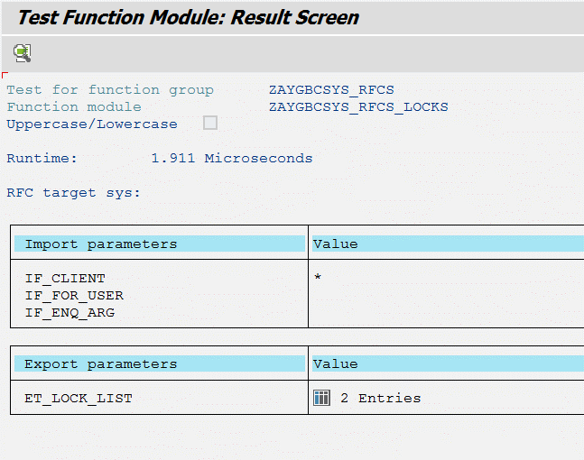
ZAYGBCSYS_RFCS_CHKDUMPS_DT | RFC - Check Dumps | Hazır | Alınan dump verisine istinaden detay bilgi getirir. 2. fazda bakılacak
ZAYGBCSYS_RFCS_LOCKS | RFC - Check Locks | Tamamlandı | SM12 deki loclı objeleri listeler. * dediğinde tüm clientlar gelir. |  |  |  | http://aygerpprd.aygsapdom.local:8000/sap/bc/srt/wsdl/flv_10002A111AD1/bndg_url/sap/bc/srt/rfc/sap/zaygbcsys_ws_chklocks/400/zaygbcsys_ws_chklocks/zaygbcsys_ws_chklocks_bn?sap-client=400
ZAYGBCSYS_RFCS_PROCLST | RFC - Process List | Hazır | Input parama * girersem sm51(ZAYGBCSYS_RFCS_SYSTLST bu fonk zaten listeyi getiriyor) e gitmeli ve appl. serverların isimlerini almalı. Sonra herbir appl. bazında bana listeyi getirmeli. Liste başında appl. server ismi yazmalı. |  |  | OK
ZAYGBCSYS_RFCS_SM13LST | RFC - SM13 Failed Udates | Hazır | Update hatalarını getirir. |  |  |  | http://aygerpprd.aygsapdom.local:8000/sap/bc/srt/wsdl/flv_10002A111AD1/bndg_url/sap/bc/srt/rfc/sap/zaygbcsys_ws_chksm13/400/zaygbcsys_ws_chksm13/zaygbcsys_ws_chksm13_bn?sap-client=400
ZAYGBCSYS_RFCS_SYSTLST | RFC - System List | Tamamlandı | SM51 i getirir |  |  |  | http://aygerpprd.aygsapdom.local:8000/sap/bc/srt/wsdl/flv_10002A111AD1/bndg_url/sap/bc/srt/rfc/sap/zaygbcsys_ws_systlst/400/zaygbcsys_ws_systlst/zaygbcsys_ws_systlst_bn?sap-client=400
ZAYGBCSYS_RFCS_USERLST | RFC - User List | Hazır | User listesini getirir.
ZAYGBCSYS_RFCS_USERPFL | RFC - User Profile's List | Hazır | User locklama işlemlerini basitleştirmek için kullanılan z li arayüzdeki profileları getirir
ZAYGBCSYS_RFCS_USERPFL_DT | RFC - User Profile Details | Hazır | madde 15 deki profil id bazında detayı listeler
ZAYGBCSYS_RFCS_USERSES | RFC - User Sessions | Hazır-dökümanok | AL08 den veri okunacak şekilde revize edilecek |  |  | OK
ZAYGBCSYS_RFCS_SYSUSAGE | RFC - System CPU/RAM Usage Istatistics | Tamamlandı | ST06 - Snapshot (CPU/Memory) verilerini verir |  |  | Yeni

DBA İzleme İşlevleri, FG : ZAYGBCSYS_RFCS_DBA
İşlev | Tanım | Durum
ZAYGBCSYS_RFCS_BCKP_BACKPHIST | RFC - DBA, Backup Histories | Hazır | SQL DB için bu fonk. backup geçmişini listeler.NOT: Oracle,AS400,Sybase,DB2 için ayrı yazılmalı vbg.
ZAYGBCSYS_RFCS_BCKP_DEVICES | RFC - DBA, Backup Devices | Hazır | SQL DB için bu fonk. backup geçmişini listeler.NOT: Oracle,AS400,Sybase,DB2 için ayrı yazılmalı vbg.
ZAYGBCSYS_RFCS_BCKP_OVERVIEW | RFC - DBA, Backup Overview | Hazır | SQL DB için bu fonk. backup geçmişini listeler.NOT: Oracle,AS400,Sybase,DB2 için ayrı yazılmalı vbg.
ZAYGBCSYS_RFCS_BCKP_RESTRHIST | RFC - DBA, Restore History | Hazır | SQL DB için bu fonk. backup geçmişini listeler.NOT: Oracle,AS400,Sybase,DB2 için ayrı yazılmalı vbg.
ZAYGBCSYS_RFCS_BCKP_SQLAJBHIST | RFC - DBA, SQL Agent Job History | Hazır | SQL DB için bu fonk. backup geçmişini listeler.NOT: Oracle,AS400,Sybase,DB2 için ayrı yazılmalı vbg.
ZAYGBCSYS_RFCS_BCKP_SQLAJOBS | RFC - DBA, SQL Agent Jobs | Hazır | SQL DB için bu fonk. backup geçmişini listeler.NOT: Oracle,AS400,Sybase,DB2 için ayrı yazılmalı vbg.
ZAYGBCSYS_RFCS_BCKP_SQLAPROPS | RFC - DBA, SQL Agent Properties | Hazır | SQL DB için bu fonk. backup geçmişini listeler.NOT: Oracle,AS400,Sybase,DB2 için ayrı yazılmalı vbg.
ZAYGBCSYS_RFCS_BCKP_TPNDRESTR | RFC - DBA, Tapes Needed for Restore | Hazır | SQL DB için bu fonk. backup geçmişini listeler.NOT: Oracle,AS400,Sybase,DB2 için ayrı yazılmalı vbg.

Fonksiyonlara ait WSler
Fonk Adı | ZAYGBCSYS_RFCS_BCKGPRC | Örnek Kayıt Deseni;
Tanım | Sistemdeki aktif jobları listeler |  | INDEX | JOBNAME | JOBCOUNT | JOBGROUP | INTREPORT | STEPCOUNT | SDLSTRTDT | SDLSTRTTM | BTCSYSTEM | SDLDATE | SDLTIME | SDLUNAME | LASTCHDATE | LASTCHTIME | LASTCHNAME | RELDATE | RELTIME | RELUNAME | STRTDATE | STRTTIME | ENDDATE | ENDTIME | PRDMINS | PRDHOURS | PRDDAYS | PRDWEEKS | PRDMONTHS | PERIODIC | DELANFREP | EMERGMODE | STATUS | NEWFLAG | AUTHCKNAM | AUTHCKMAN | SUCCNUM | PREDNUM | JOBLOG | LASTSTRTDT | LASTSTRTTM | WPNUMBER | WPPROCID | EVENTID | EVENTPARM | BTCSYSREAX | JOBCLASS | PRIORITY | EVENTCOUNT | CHECKSTAT | CALENDARID | PRDBEHAV | EXECSERVER | EOMCORRECT | CALCORRECT | REAXSERVER | RECLOGSYS | RECOBJTYPE | RECOBJKEY | RECDESCRIB | TGTSRVGRP | PROGNAME | XPGPROG | EXTCMD | DURATION | LATENCY
Import parameter | boş gönderilir |  | 1 | E ARŞIV HATALI IŞLEME | 13083401 |  | %NEWSTEP | 1 | 2018-10-15 | 13:09:57 |  | 2018-10-15 | 13:08:34 | 10805121 | 2018-07-14 | 16:40:38 | FFFETHIY | 2018-10-15 | 13:08:34 | SAPSYS | 2018-10-15 | 13:10:53 |  | 0:00:00 | 2 | 0 | 0 | 0 | 0 | X |  |  | R |  | JOBFI | 400 | 0 | 0 | JOBLGX13083401X83303 |  | 0:00:00 | 77 | 4,044 |  |  | AYGERPPR2 | C | 0 |  |  |  |  | AYGERPPR2_AEP_00 | 0 | 0 | AYGERPPR2_AEP_00 |  |  |  |  |  | RBDAGAIN |  |  | 0 | 56
Export parameter | ET_JOBLIST |  | 2 | ORTEC_SEVIYE_GONDER_1521_ANLIK | 11401901 |  | %NEWSTEP | 1 | 2018-10-15 | 13:10:00 |  | 2018-10-15 | 11:40:19 | 10805787 | 2018-07-14 | 16:40:38 | FFFETHIY | 2018-10-15 | 11:40:19 | SAPSYS | 2018-10-15 | 13:10:20 |  | 0:00:00 | 90 | 0 | 0 | 0 | 0 | X |  |  | R | C | 10805787 | 400 | 0 | 0 | JOBLGX11401901X44226 | 2018-10-15 | 13:20:00 | 56 | 14,764 |  |  | AYGERPPRD | C | 0 |  |  |  |  |  | 0 | 0 | AYGERPPRD_AEP_00 |  |  |  |  |  | ZAYGSDGEN050_SEND_TANK |  |  | 33 | 20
 |  |  | 3 | ZAYGFIGENR_BELGE_ARSIV_RPR | 08313200 |  | %NEWSTEP | 1 | 2018-10-15 | 8:31:35 |  | 2018-10-15 | 8:31:32 | 10805646 | 2018-10-15 | 8:31:35 | 10805646 | 2018-10-15 | 8:31:35 | 10805646 | 2018-10-15 | 8:31:35 |  | 0:00:00 | 0 | 0 | 0 | 0 | 0 |  |  |  | R | C | 10805646 | 400 | 0 | 0 | JOBLGX08313200X18235 |  | 0:00:00 | 54 | 17,612 |  |  | AYGERPPRD | C | 0 |  |  |  |  |  | 0 | 0 | AYGERPPRD_AEP_00 |  |  |  |  |  | ZAYGFIGENR_BELGE_ARSIV_RPR |  |  | 16,758 | 0
 |  |  | 4 | ZAYGPLANET_REP_5 | 13003800 |  | %NEWSTEP | 1 | 2018-10-15 | 13:00:00 |  | 2018-10-14 | 13:00:38 | SAPADMIN | 2018-07-14 | 16:40:38 | FFFETHIY | 2018-10-14 | 13:00:38 | SAPSYS | 2018-10-15 | 13:00:32 |  | 0:00:00 | 0 | 0 | 1 | 0 | 0 | X |  |  | R | C | JOBSD | 400 | 0 | 0 | JOBLGX13003800X00686 |  | 0:00:00 | 75 | 8,956 |  |  | AYGERPAPP1 | C | 0 |  |  |  |  |  | 0 | 0 | AYGERPAPP1_AEP_00 |  |  |  |  | E49B0724D3AC0EF18987D485644BC37F | ZAYGPLANET_REP_5 |  |  | 621 | 32
wsdl name | zaygbcsys_ws_bckgprc_bn.wsdl

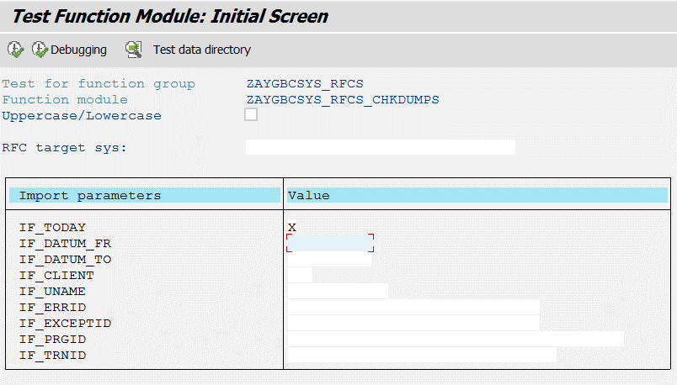
Fonk Adı | ZAYGBCSYS_RFCS_CHKDUMPS | Input PARAM | İlgili güne(Günün tarihi) ait verileri okumak için IF_TODAY değişkenine X gönderilmeli
Tanım | ST22 Dumplarını listeler
Import parameter | IF_TODAY
 | IF_DATUM_FR
 | IF_DATUM_TO
 | IF_CLIENT
 | IF_UNAME
 | IF_ERRID
 | IF_EXCEPTID
 | IF_PRGID
 | IF_TRNID
Export parameter | ET_DUMPLIST

 |  | Örnek Kayıt Deseni;
 |  |  | INDEX | DATUM | UZEIT | AHOST | UNAME | MANDT | XHOLD | ERRORID | REXCEPTION | COMPONENT | GPROGRAM | MODNO | TID
wsdl name | zaygbcsys_ws_chkdumps_bn.wsdl |  | 1 | 2018-10-15 | 13:16:02 | AYGERPAPP1_AEP_00 | 11220001 | 400 | C | OBJECTS_OBJREF_NOT_ASSIGNED | CX_SY_REF_IS_INITIAL | Not assigned | Unknown | 21 | 31D51C0700060190E005BB4F81A59111
 |  |  | 2 | 2018-10-15 | 11:55:12 | AYGERPPR1_AEP_00 | 10807965 | 400 | C | MESSAGE_TYPE_UNKNOWN |  | Not assigned | Unknown | 4 | 8899B50D73550040E005BB4F8507172C
 |  |  | 3 | 2018-10-15 | 11:07:02 | AYGERPPR2_AEP_00 | 10808594 | 400 | C | TIME_OUT |  | Not assigned | Unknown | 27 | 7724F573320501B0E005BB4F89FB9991
 |  |  | 4 | 2018-10-15 | 10:09:33 | AYGERPPRD_AEP_00 | 10805421 | 400 | C | GETWA_NOT_ASSIGNED |  | Not assigned | Unknown | 38 | DD4E549057110040E005BB4F925036D8
 |  |  | 5 | 2018-10-15 | 9:44:21 | AYGERPPR1_AEP_00 | SOLMAN | 400 | C | TIME_OUT |  | Not assigned | Unknown | 32 | 5BC43DE1100A192AE1000000D40C8042
 |  |  | 6 | 2018-10-15 | 9:07:34 | AYGERPPRD_AEP_00 | 10805421 | 400 | C | GETWA_NOT_ASSIGNED |  | Not assigned | Unknown | 37 | DD4E549057110260E005BB4F927BF870
 |  |  | 7 | 2018-10-15 | 7:37:24 | AYGERPAPP1_AEP_00 | JOBFI | 400 | C | SQL_CAUGHT_RABAX |  | Not assigned | Unknown | 72 | 31D51C0700060480E005BB4F81ECFFCD
 |  |  | 8 | 2018-10-15 | 7:37:23 | AYGERPAPP1_AEP_00 | JOBFI | 400 | C | TSV_TNEW_PAGE_ALLOC_FAILED |  | Not assigned | Unknown | 72 | 31D51C0700060480E005BB4F81ECFFCD
 |  |  | 9 | 2018-10-15 | 7:33:10 | AYGERPPR1_AEP_00 | JOBFI | 400 | C | SQL_CAUGHT_RABAX |  | Not assigned | Unknown | 69 | 8899B50D73550450E005BB5AA8B52B1C
 |  |  | 10 | 2018-10-15 | 7:33:03 | AYGERPPR1_AEP_00 | JOBFI | 400 | C | TSV_TNEW_PAGE_ALLOC_FAILED |  | Not assigned | Unknown | 69 | 8899B50D73550450E005BB5AA8B52B1C
 |  |  | 11 | 2018-10-15 | 7:01:14 | AYGERPPR1_AEP_00 | JOBFI | 406 | C | SAPSQL_DATA_LOSS |  | Not assigned | Unknown | 67 | 8899B50D73550430E005BB5AA8B51500
 |  |  | 12 | 2018-10-15 | 4:54:57 | AYGERPAPP1_AEP_00 | JOBMM | 400 | C | DBSQL_SQL_ERROR | CX_SY_OPEN_SQL_DB | Not assigned | Unknown | 59 | 31D51C07000603B0E005BB4F81E401F8

Fonk Adı | ZAYGBCSYS_RFCS_USERSES | Örnek Kayıt Deseni;
Tanım | Kullanıcı oturumlarını listeler(AL08)-Bellek kullanımları |  | INDEX | SESSION_TYPE | EXT_STYPE | EXT_STATE | EXT_TIME | EXT_TRACE | LINE_COL | IPADDR | SELECTED | TOTAL_MEM_KB | TOTAL_MEM_BRUTTO_KB | TOTAL_MEM_HEAP_KB | TOTAL_MEM_HYPER_KB | TOTAL_MEM_ABAP_KB | APPL_INFO | ACT_PROGRAM | SECURITY_CONTEXT | LOGON_HDL | LOGON_ID | SESSION_HDL | SESSION_KEY | TENANT | USER_NAME | APPLICATION | LOCATION_INFO | SESSIONS | RFC_HDL | RFC_TYPE_LONG | SERVER_NAME | TRACE | LOGON_PRIVILEGE | PRIORITY | OPEN_TASKS | WEBSOCKET_HANDLE | SAP_GUI_VERSION | PAGING_BLOCKS | REQUEST_TIME | STATE | CLIENT_IP_ADDR
Import parameter | YOK |  | 1 | RFC | Senkron RFC |  | 15.10.2018 14:21:00 | Kpl. |  |  |  | 3,725 | 4,238 | 0 | 54 | 3,103 | R=10 T=S S=AYGERPTEST_AET_00 I=SAPLSMON F=GET_CCM_DATA C=400 U=FFUMITB | SAPMSSY1 |  | 13 | 12,600 | 0 | T13_U12600_M0 | 400 | FFUMITB |  | DESKTOP-BC3ORR6 | 1 | 15049370 | Dahili | AYGERPTEST_AET_00 | 0 |  | Yüksek | 0 |  | 730 | 0 | 1,539,602,460 | Oturum açıldı | 172.16.10.4
Export parameter | ET_USR_SESS_LIST |  | 2 | GUI |  |  | 15.10.2018 14:24:31 | Kpl. |  |  |  | 115,682 | 127,601 | 0 | 52 | 73,245 |  | WB_MNGR_START_FROM_TOOL_ACCESS |  | 18 | 11,351 | 3 | T18_U11351_M3 | 400 | FFHALUKI | ZEF001N | KSN70003958 | 4 |  |  | AYGERPTEST_AET_00 | 0 |  | Yüksek | 0 |  | 740 | 91 | 1,539,602,671 | Oturum açıldı | 195.87.6.143
 | EF_ERR_MESSAGE |  | 3 | GUI |  |  | 15.10.2018 14:24:10 | Kpl. |  |  |  | 64,017 | 71,078 | 0 | 76 | 39,716 | <Debugger> | RSTPDAMAIN |  | 12 | 10,669 | 3 | T12_U10669_M3 | 400 | FFUMITB | SESSION_MANAGER | DESKTOP-BC3ORR6 | 4 |  |  | AYGERPTEST_AET_00 | 0 |  | Yüksek | 0 |  | 730 | 171 | 1,539,602,650 | Oturum açıldı | 172.16.10.4
 |  |  | 4 | GUI |  |  | 15.10.2018 14:24:33 | Kpl. |  |  |  | 23,692 | 28,853 | 0 | 76 | 13,995 |  | RS_TESTFRAME_CALL |  | 28 | 7,270 | 0 | T28_U7270_M0 | 400 | 10804784 | SE37 | NBEMREK01 | 1 |  |  | AYGERPTEST_AET_00 | 0 |  | Yüksek | 0 |  | 750 | 12 | 1,539,602,673 | Oturum açıldı | 10.34.10.59
wsdl name | zaygbcsys_ws_userses_bn.wsdl |  | 5 | RFC | Senkron RFC |  | 15.10.2018 14:21:30 | Kpl. |  |  |  | 1,994 | 4,238 | 0 | 54 | 1,921 | R=196 T=S S=AYGERPTEST_AET_00 I=/SSF/SLIB F=/SSF/CALL_SUBROUTINE_RFC C=400 U=SOLMAN | SAPMSSY1 |  | 11 | 6,313 | 0 | T11_U6313_M0 | 400 | SOLMAN |  | AYGERPTEST | 1 | 00735246 | Dahili | AYGERPTEST_AET_00 | 0 |  | Orta | 0 |  |  | 0 | 1,539,602,490 | Oturum açıldı
 |  |  | 6 | RFC | Senkron RFC |  | 15.10.2018 14:24:32 | Kpl. |  |  |  | 3,650 | 4,238 | 0 | 54 | 2,937 | R=1032 T=S S=AYGERPTEST I= F=/SDF/IS_PROXY C= U= | SAPMSSY1 |  | 34 | 6,295 | 0 | T34_U6295_M0 | 400 | SOLMAN |  | AYGERPTEST | 1 | 00659737 | Harici | AYGERPTEST_AET_00 | 0 |  | Orta | 0 |  |  | 2 | 1,539,602,672 | Oturum açıldı
 |  |  | 7 | GUI |  |  | 15.10.2018 14:09:57 | Kpl. |  |  |  | 93,157 | 107,426 | 0 | 52 | 56,833 |  | WB_MNGR_START_FROM_TOOL_ACCESS |  | 20 | 6,181 | 5 | T20_U6181_M5 | 400 | FFFATIHG | ZSDFYT002B | LENOVO | 6 |  |  | AYGERPTEST_AET_00 | 0 |  | Yüksek | 0 |  | 730 | 70 | 1,539,601,797 | Oturum açıldı | 195.87.6.143
 |  |  | 8 | RFC | Asenkron RFC |  | 14.10.2018 06:18:29 | Kpl. |  |  |  | 3,760 | 4,238 | 0 | 54 | 2,183 | R=1 T=S S=kssmprd01_SM1_01 I=CL_E2E_DPC_READ===============CP F=/SDF/E2E_EFWKE_DATA_CONNECTOR C=099 U=SM_EFW | SAPMSSY1 |  | 4 | 28,936 | 0 | T4_U28936_M0 | 400 | SOLMAN |  | 212.12.128.66 | 1 | 03842904 | Harici | AYGERPTEST_AET_00 | 0 |  | Düşük | 0 |  |  | 0 | 1,539,487,109 | Oturum açıldı

Fonk Adı | ZAYGBCSYS_RFCS_SYSUSAGE | Örnek Kayıt Deseni; | T_CPU
Tanım | Sistem CPU ve RAM kullanımları |  | INDEX | SERVER | ITEM | SECTION | _DESCR1 | _VALUE1 | _UNIT_1 | _DESCR2 | _VALUE2 | _UNIT_2
Import parameter | YOK |  | 1 | AYGERPTEST_AET_00 | 11 | CPU | Average processes waiting ( 5 min) | 0,00
Export parameter | ET_SNAPSHOTS |  | 2 | AYGERPTEST_AET_00 | 14 | CPU Single | CPU 0 Usr/Sys/Idle | 1 / 2 /97 | %
 | ET_SNAPSHOTS içinde 2 table var |  | 3 | AYGERPTEST_AET_00 | 14 | CPU Single | CPU 1 Usr/Sys/Idle | 0 / 1 /99 | %
 | Kayıt desenleri sağda sırasıyla gösterilmiştir. |  | 4 | AYGERPTEST_AET_00 | 14 | CPU Single | CPU 2 Usr/Sys/Idle | 1 / 1 /98 | %
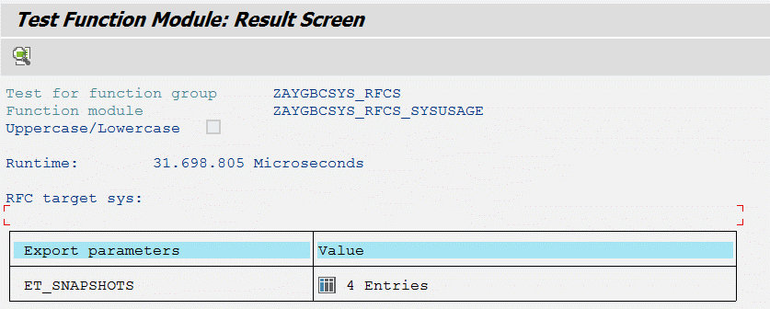
 |  |  | 5 | AYGERPTEST_AET_00 | 14 | CPU Single | CPU 3 Usr/Sys/Idle | 1 / 2 /97 | %
 |  |  | 6 | AYGERPTEST_AET_00 | 14 | CPU Single | CPU 4 Usr/Sys/Idle | 1 / 1 /98 | %
 |  |  | 7 | AYGERPTEST_AET_00 | 14 | CPU Single | CPU 5 Usr/Sys/Idle | 2 / 1 /97 | %
 |  |  | 8 | AYGERPTEST_AET_00 | 14 | CPU Single | CPU 6 Usr/Sys/Idle | 1 / 2 /98 | %
 |  |  | 9 | AYGERPTEST_AET_00 | 14 | CPU Single | CPU 7 Usr/Sys/Idle | 0 / 1 /99 | %
 |  |  | 10 | AYGERPTEST_AET_00 | 14 | CPU Single | CPU 8 Usr/Sys/Idle | 2 / 5 /93 | %
 |  |  | 11 | AYGERPTEST_AET_00 | 14 | CPU Single | CPU 9 Usr/Sys/Idle | 2 / 5 /93 | %
 |  |  | 12 | AYGERPTEST_AET_00 | 14 | CPU Single | CPU 10 Usr/Sys/Idle | 1 / 4 /95 | %
 |  |  | 13 | AYGERPTEST_AET_00 | 14 | CPU Single | CPU 11 Usr/Sys/Idle | 0 / 1 /98 | %
 |  |  | 14 | AYGERPTEST_AET_00 | 01 | Info | Operating system | Windows NT 10.0.14393 AYGERPTEST
 |  |  | 15 | AYGERPTEST_AET_00 | 01 | Info | Timestamp | 15.10.2018 15:18:14
1 entry içinde 3 kolon var ve 2. ve 3. kolonda tablo var. Yani tablo içinde tablo gelecek. |  |  | 16 | AYGERPTEST_AET_00 | 01 | Info | Hostname | AYGERPTEST
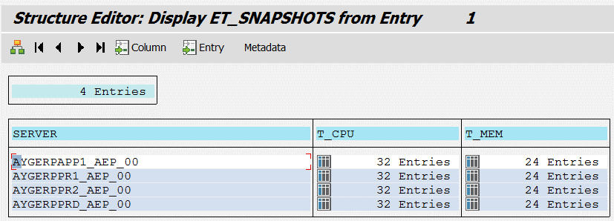
 |  |  | 17 | AYGERPTEST_AET_00 | 01 | Info | Manufacturer | VMware, Inc.
 |  |  | 18 | AYGERPTEST_AET_00 | 01 | Info | Model | VMware Virtual Platform
 |  |  | 19 | AYGERPTEST_AET_00 | 23 | CPU Virtualization Virtual System | Guaranteed Capacity | 0,00 | CPUs
 |  |  | 20 | AYGERPTEST_AET_00 | 23 | CPU Virtualization Virtual System | Capacity Maximum | 12,00 | CPUs
 |  |  | 21 | AYGERPTEST_AET_00 | 11 | CPU | System Utilization | 2 | %
 |  |  | 22 | AYGERPTEST_AET_00 | 11 | CPU | User Utilization | 1 | %
 |  |  | 23 | AYGERPTEST_AET_00 | 11 | CPU | Idle | 97 | %
 |  |  | 24 | AYGERPTEST_AET_00 | 11 | CPU | Number of CPUs | 12
 |  |  | 25 | AYGERPTEST_AET_00 | 11 | CPU | Number of Processors | 3
 |  |  | 26 | AYGERPTEST_AET_00 | 11 | CPU | Number of Cores | 12
 |  |  | 27 | AYGERPTEST_AET_00 | 11 | CPU | Number of Threads per Core | 1
 |  |  | 28 | AYGERPTEST_AET_00 | 23 | CPU Virtualization Virtual System | Capacity Consumed | 0,56 | CPUs

 |  |  | T_MEM
 |  |  | INDEX | SERVER | ITEM | SECTION | _DESCR1 | _VALUE1 | _UNIT_1 | _DESCR2 | _VALUE2 | _UNIT_2
wsdl name | zaygbcsys_ws_sysusage_bn.wsdl |  | 1 | AYGERPTEST_AET_00 | 11 | CPU | Average processes waiting ( 5 min) | 0
 |  |  | 2 | AYGERPTEST_AET_00 | 14 | CPU Single | CPU 0 Usr/Sys/Idle | 1 / 2 /97 | %
 |  |  | 3 | AYGERPTEST_AET_00 | 14 | CPU Single | CPU 1 Usr/Sys/Idle | 0 / 1 /99 | %
 |  |  | 4 | AYGERPTEST_AET_00 | 14 | CPU Single | CPU 2 Usr/Sys/Idle | 1 / 1 /98 | %
 |  |  | 5 | AYGERPTEST_AET_00 | 14 | CPU Single | CPU 3 Usr/Sys/Idle | 1 / 2 /97 | %
 |  |  | 6 | AYGERPTEST_AET_00 | 14 | CPU Single | CPU 4 Usr/Sys/Idle | 1 / 1 /98 | %
 |  |  | 7 | AYGERPTEST_AET_00 | 14 | CPU Single | CPU 5 Usr/Sys/Idle | 2 / 1 /97 | %
 |  |  | 8 | AYGERPTEST_AET_00 | 14 | CPU Single | CPU 6 Usr/Sys/Idle | 1 / 2 /98 | %
 |  |  | 9 | AYGERPTEST_AET_00 | 14 | CPU Single | CPU 7 Usr/Sys/Idle | 0 / 1 /99 | %
 |  |  | 10 | AYGERPTEST_AET_00 | 14 | CPU Single | CPU 8 Usr/Sys/Idle | 2 / 5 /93 | %
 |  |  | 11 | AYGERPTEST_AET_00 | 14 | CPU Single | CPU 9 Usr/Sys/Idle | 2 / 5 /93 | %
 |  |  | 12 | AYGERPTEST_AET_00 | 14 | CPU Single | CPU 10 Usr/Sys/Idle | 1 / 4 /95 | %
 |  |  | 13 | AYGERPTEST_AET_00 | 14 | CPU Single | CPU 11 Usr/Sys/Idle | 0 / 1 /98 | %
 |  |  | 14 | AYGERPTEST_AET_00 | 01 | Info | Operating system | Windows NT 10.0.14393 AYGERPTEST
 |  |  | 15 | AYGERPTEST_AET_00 | 01 | Info | Timestamp | 15.10.2018 15:18:14
 |  |  | 16 | AYGERPTEST_AET_00 | 01 | Info | Hostname | AYGERPTEST
 |  |  | 17 | AYGERPTEST_AET_00 | 01 | Info | Manufacturer | VMware, Inc.
 |  |  | 18 | AYGERPTEST_AET_00 | 01 | Info | Model | VMware Virtual Platform
 |  |  | 19 | AYGERPTEST_AET_00 | 23 | CPU Virtualization Virtual System | Guaranteed Capacity | 0,00 | CPUs
 |  |  | 20 | AYGERPTEST_AET_00 | 23 | CPU Virtualization Virtual System | Capacity Maximum | 12,00 | CPUs
 |  |  | 21 | AYGERPTEST_AET_00 | 11 | CPU | System Utilization | 2 | %
 |  |  | 22 | AYGERPTEST_AET_00 | 11 | CPU | User Utilization | 1 | %
 |  |  | 23 | AYGERPTEST_AET_00 | 11 | CPU | Idle | 97 | %
 |  |  | 24 | AYGERPTEST_AET_00 | 11 | CPU | Number of CPUs | 12
 |  |  | 25 | AYGERPTEST_AET_00 | 11 | CPU | Number of Processors | 3
 |  |  | 26 | AYGERPTEST_AET_00 | 11 | CPU | Number of Cores | 12
 |  |  | 27 | AYGERPTEST_AET_00 | 11 | CPU | Number of Threads per Core | 1
 |  |  | 28 | AYGERPTEST_AET_00 | 23 | CPU Virtualization Virtual System | Capacity Consumed | 0,56 | CPUs

Fonk Adı | ZAYGBCSYS_RFCS_LOCKS | Örnek Kayıt Deseni;
Tanım | sistemde locklı objeleri listeler |  | GCLIENT | GTHOST | GUNAME | GDSPTIME | GMODE | GNAME | GARG | GUSR | GUSRVB | GUSE | GUSEVB | GOBJ | GSOURCE_TYPE | GSOURCE_ID | GSOURCE_COMPONENT | GTDATE | GTTIME | BACKED | LOCK_DURATION
Import parameter | IF_CLIENT |  | 400 | AYGERPPR2....................... | JOBMM | 2018-10-21 | E | EKKO | 4003100130497 |  | 20181021154640630094006900AYGERPPR2....................... | 0 | 1 | EMEKKOE |  |  |  | 20181021 | 154640 | X | 333693
 | IF_FOR_USER |  | 400 | AYGERPPR2....................... | JOBMM | 2018-10-21 | E | EKPO | 4003100130497##### |  | 20181021154640630094006900AYGERPPR2....................... | 0 | 1 | EMEKKOE |  |  |  | 20181021 | 154640 | X | 333693
 | IF_ENQ_ARG |  | 400 | AYGERPPR2....................... | JOBMM | 2018-10-21 | E | EKKO | 4003100130536 |  | 20181021154643632625006900AYGERPPR2....................... | 0 | 1 | EMEKKOE |  |  |  | 20181021 | 154643 | X | 333690
 |  |  | 400 | AYGERPPR2....................... | JOBMM | 2018-10-21 | E | EKPO | 4003100130536##### |  | 20181021154643632625006900AYGERPPR2....................... | 0 | 1 | EMEKKOE |  |  |  | 20181021 | 154643 | X | 333690
Export parameter | ET_LOCK_LIST |  | 400 | AYGERPPRD....................... | 10807274 | 8:22:23 | E | /PCIS05/PLADRH | 400002000312254 | 20181025082223279828000300AYGERPPRD....................... |  | 1 | 0 | /PCIS05/EREQUEST |  |  |  | 20181025 | 82223 |  | 14750
 |  |  | 400 | AYGERPPRD....................... | 10807274 | 8:33:19 | E | /PCIS05/PLADRH | 400004100166172 | 20181025083319561123000500AYGERPPRD....................... |  | 1 | 0 | /PCIS05/EREQUEST |  |  |  | 20181025 | 83319 |  | 14094
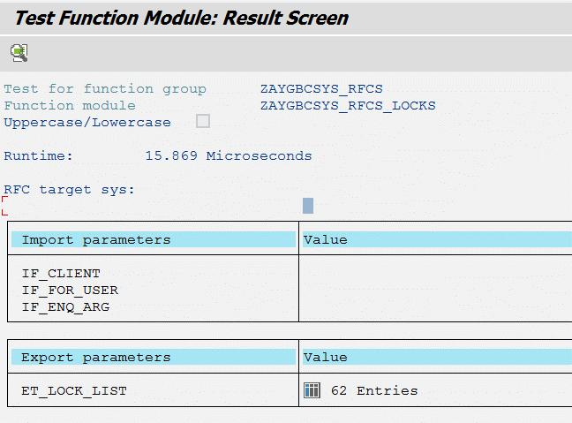
 |  |  | 400 | AYGERPAPP1...................... | 10805076 | 9:09:44 | E | /PCIS05/PLADRH | 400001000966922 | 20181025090944941775002700AYGERPAPP1...................... |  | 1 | 0 | /PCIS05/EREQUEST |  |  |  | 20181025 | 90944 |  | 11909
 |  |  | 400 | AYGERPAPP1...................... | 10805076 | 9:09:52 | E | /PCIS05/PLADRH | 400001000966923 | 20181025090952916974002700AYGERPAPP1...................... |  | 1 | 0 | /PCIS05/EREQUEST |  |  |  | 20181025 | 90952 |  | 11901
 |  |  | 400 | AYGERPPRD....................... | 10807274 | 9:58:52 | E | /PCIS05/PLADRH | 400001000966910 | 20181025095852795800002800AYGERPPRD....................... |  | 1 | 0 | /PCIS05/EREQUEST |  |  |  | 20181025 | 95852 |  | 8961
 |  |  | 402 | AYGERPPR2....................... | 7900133 | 11:52:22 | E | TCJ_C_JOURNALS | 4021078TL17 | 20181025115222512828003900AYGERPPR2....................... |  | 1 | 0 | EFBCJ_LOCK |  |  |  | 20181025 | 115222 |  | 2151
 |  |  | 400 | AYGERPAPP1...................... | 10807211 | 11:57:35 | E | /PCIS05/PLADRH | 400001000966920 | 20181025115735064932002900AYGERPAPP1...................... |  | 1 | 0 | /PCIS05/EREQUEST |  |  |  | 20181025 | 115735 |  | 1838
 |  |  | 400 | AYGERPPR2....................... | 30420127 | 11:58:32 | E | /PCIS05/PLADRH | 400003800300839 | 20181025115804896769002900AYGERPPR2....................... | 20181025115832426767003900AYGERPPR2....................... | 1 | 1 | /PCIS05/EREQUEST |  |  |  | 20181025 | 115832 |  | 1781
 |  |  | 400 | AYGERPPR2....................... | 30420127 | 11:58:32 | E | /PCIS1/PCISSD0 | 400RQ003800300839 | 20181025115804896769002900AYGERPPR2....................... | 20181025115832426767003900AYGERPPR2....................... | 1 | 1 | /PCIS1/EOBJECT |  |  |  | 20181025 | 115832 |  | 1781
 |  |  | 400 | AYGERPAPP1...................... | 12210041 | 11:58:59 | E | KNA1 | 4000001551963 |  | 20181025115859488440001100AYGERPAPP1...................... | 0 | 1 | EXKNA1 |  |  |  | 20181025 | 115859 |  | 1754
 |  |  | 400 | AYGERPPR2....................... | 10807246 | 12:00:14 | E | COBRA | 400ORY18006622005 |  | 20181025120014313113003900AYGERPPR2....................... | 0 | 1 | EKCOBR |  |  |  | 20181025 | 120014 |  | 1679
 |  |  | 400 | AYGERPPR2....................... | 10801734 | 12:02:20 | E | /PCIS05/PLADRH | 400001000966814 | 20181025120220174883001700AYGERPPR2....................... |  | 1 | 0 | /PCIS05/EREQUEST |  |  |  | 20181025 | 120220 |  | 1553
 |  |  | 400 | AYGERPPRD....................... | 11200110 | 12:08:19 | S | VBAK | 400$%&sdbatch |  | 20181025120819759221003600AYGERPPRD....................... | 0 | 1 | EVVBAKE |  |  |  | 20181025 | 120819 |  | 1194
 |  |  | 400 | AYGERPPRD....................... | 12450126 | 12:09:29 | E | /PCIS05/PLADRH | 400003301263079 | 20181025092427303159001800AYGERPPRD....................... | 20181025120929661585003600AYGERPPRD....................... | 1 | 1 | /PCIS05/EREQUEST |  |  |  | 20181025 | 120929 |  | 1124
 |  |  | 400 | AYGERPPRD....................... | 12450126 | 12:09:29 | E | /PCIS1/PCISSD0 | 400RQ003301263079 |  | 20181025120929661585003600AYGERPPRD....................... | 0 | 1 | /PCIS1/EOBJECT |  |  |  | 20181025 | 120929 |  | 1124
 |  |  | 400 | AYGERPAPP1...................... | 11280062 | 12:13:19 | E | ZAYGMMESAST001H | 4001000304780 |  | 20181025121319786683003900AYGERPAPP1...................... | 0 | 1 | EZAYGMMESAS_PREQ |  |  |  | 20181025 | 121319 |  | 894
 |  |  | 400 | AYGERPAPP1...................... | 10801270 | 12:15:48 | E | ZAYGFIGENT078 | 400############## |  | 20181025121548209567003900AYGERPAPP1...................... | 0 | 1 | EZAYGFIGENT078 |  |  |  | 20181025 | 121548 |  | 745
 |  |  | 400 | AYGERPAPP1...................... | 10802983 | 12:17:00 | E | /PCIS05/PLADRH | 400003301260424 | 20181025121531877690003900AYGERPAPP1...................... | 20181025121700747151001600AYGERPAPP1...................... | 1 | 1 | /PCIS05/EREQUEST |  |  |  | 20181025 | 121700 |  | 673
 |  |  | 400 | AYGERPAPP1...................... | 10802983 | 12:17:00 | E | /PCIS1/PCISSD0 | 400RQ003301260424 | 20181025121531877690003900AYGERPAPP1...................... | 20181025121700747151001600AYGERPAPP1...................... | 1 | 1 | /PCIS1/EOBJECT |  |  |  | 20181025 | 121700 |  | 673
 |  |  | 400 | AYGERPAPP1...................... | 10802983 | 12:17:00 | E | VBAK | 4000011346157 | 20181025121531877690003900AYGERPAPP1...................... | 20181025121700747151001600AYGERPAPP1...................... | 1 | 1 | EVVBAKE |  |  |  | 20181025 | 121700 |  | 673
 |  |  | 400 | AYGERPAPP1...................... | 10802983 | 12:17:00 | E | VBAK | 4001004504299 | 20181025121531877690003900AYGERPAPP1...................... | 20181025121700747151001600AYGERPAPP1...................... | 1 | 1 | EVVBAKE |  |  |  | 20181025 | 121700 |  | 673
wsdl name | zaygbcsys_ws_chklocks_bn.wsdl |  | 400 | AYGERPAPP1...................... | 10802983 | 12:17:00 | E | VBAK | 4001004504300 | 20181025121531877690003900AYGERPAPP1...................... | 20181025121700747151001600AYGERPAPP1...................... | 1 | 1 | EVVBAKE |  |  |  | 20181025 | 121700 |  | 673
 |  |  | 400 | AYGERPAPP1...................... | 10802983 | 12:17:00 | E | VBAK | 4001004504301 | 20181025121531877690003900AYGERPAPP1...................... | 20181025121700747151001600AYGERPAPP1...................... | 1 | 1 | EVVBAKE |  |  |  | 20181025 | 121700 |  | 673
 |  |  | 400 | AYGERPPRD....................... | 10807274 | 12:19:54 | E | /PCIS05/PLADRH | 400001000966893 | 20181025082046095564003800AYGERPPRD....................... | 20181025121954388669001700AYGERPPRD....................... | 1 | 1 | /PCIS05/EREQUEST |  |  |  | 20181025 | 121954 |  | 499
 |  |  | 400 | AYGERPPRD....................... | 10807274 | 12:19:54 | E | /PCIS1/PCISSD0 | 400RQ001000966893 | 20181025082046095564003800AYGERPPRD....................... | 20181025121954388669001700AYGERPPRD....................... | 1 | 1 | /PCIS1/EOBJECT |  |  |  | 20181025 | 121954 |  | 499
 |  |  | 400 | AYGERPPRD....................... | 10807274 | 12:19:54 | E | VBAK | 4001004508786 | 20181025082046095564003800AYGERPPRD....................... | 20181025121954388669001700AYGERPPRD....................... | 1 | 1 | EVVBAKE |  |  |  | 20181025 | 121954 |  | 499
 |  |  | 402 | AYGERPPRD....................... | 7900334 | 12:26:11 | S | MARM | 402000000000006040002### |  | 20181025122611688666001000AYGERPPRD....................... | 0 | 1 | EMMARMS |  |  |  | 20181025 | 122611 |  | 122
 |  |  | 402 | AYGERPPRD....................... | 7900334 | 12:26:11 | S | MARM | 402000000000006040012### |  | 20181025122611688666001000AYGERPPRD....................... | 0 | 1 | EMMARMS |  |  |  | 20181025 | 122611 |  | 122
 |  |  | 402 | AYGERPPRD....................... | 7900334 | 12:26:11 | S | MARM | 402000000000006040245### |  | 20181025122611688666001000AYGERPPRD....................... | 0 | 1 | EMMARMS |  |  |  | 20181025 | 122611 |  | 122
 |  |  | 402 | AYGERPPRD....................... | 7900334 | 12:26:11 | S | MARM | 402000000000006041012### |  | 20181025122611688666001000AYGERPPRD....................... | 0 | 1 | EMMARMS |  |  |  | 20181025 | 122611 |  | 122
 |  |  | 402 | AYGERPPRD....................... | 7900334 | 12:26:11 | S | MARM | 402000000000006041024### |  | 20181025122611688666001000AYGERPPRD....................... | 0 | 1 | EMMARMS |  |  |  | 20181025 | 122611 |  | 122
 |  |  | 402 | AYGERPPRD....................... | 7900334 | 12:26:11 | S | MARM | 402000000000006048012### |  | 20181025122611688666001000AYGERPPRD....................... | 0 | 1 | EMMARMS |  |  |  | 20181025 | 122611 |  | 122
 |  |  | 402 | AYGERPPRD....................... | 7900334 | 12:26:11 | S | MARM | 402000000000006049002### |  | 20181025122611688666001000AYGERPPRD....................... | 0 | 1 | EMMARMS |  |  |  | 20181025 | 122611 |  | 122
 |  |  | 402 | AYGERPPRD....................... | 7900334 | 12:26:11 | S | MARM | 402000000000006049012### |  | 20181025122611688666001000AYGERPPRD....................... | 0 | 1 | EMMARMS |  |  |  | 20181025 | 122611 |  | 122
 |  |  | 400 | AYGERPPR2....................... | 10807940 | 12:26:26 | E | /PCIS05/PLADRH | 400007100078211 | 20181025122607452552000800AYGERPPR2....................... | 20181025122626372514000800AYGERPPR2....................... | 1 | 1 | /PCIS05/EREQUEST |  |  |  | 20181025 | 122626 |  | 107
 |  |  | 400 | AYGERPPR2....................... | 10807940 | 12:26:26 | E | /PCIS1/PCISSD0 | 400RQ007100078211 | 20181025122607452552000800AYGERPPR2....................... | 20181025122626372514000800AYGERPPR2....................... | 1 | 1 | /PCIS1/EOBJECT |  |  |  | 20181025 | 122626 |  | 107
 |  |  | 400 | AYGERPPR2....................... | 10807940 | 12:26:26 | E | VBAK | 4000010954540 | 20181025122607452552000800AYGERPPR2....................... | 20181025122626372514000800AYGERPPR2....................... | 1 | 1 | EVVBAKE |  |  |  | 20181025 | 122626 |  | 107
 |  |  | 400 | AYGERPPR2....................... | 10805047 | 12:26:32 | E | /PCIS05/PLADRH | 400004000188532 | 20181025122415181224002900AYGERPPR2....................... | 20181025122632475722000800AYGERPPR2....................... | 1 | 1 | /PCIS05/EREQUEST |  |  |  | 20181025 | 122632 |  | 101
 |  |  | 400 | AYGERPPR2....................... | 10805047 | 12:26:32 | E | /PCIS1/PCISSD0 | 400RQ004000188532 | 20181025122415181224002900AYGERPPR2....................... | 20181025122632475722000800AYGERPPR2....................... | 1 | 1 | /PCIS1/EOBJECT |  |  |  | 20181025 | 122632 |  | 101
 |  |  | 400 | AYGERPPRD....................... | 10805726 | 12:27:26 | E | /PCIS05/PLADRH | 400003301262056 | 20181025122526049384001200AYGERPPRD....................... | 20181025122726509332001000AYGERPPRD....................... | 1 | 1 | /PCIS05/EREQUEST |  |  |  | 20181025 | 122726 |  | 47
 |  |  | 400 | AYGERPPRD....................... | 10805726 | 12:27:26 | E | /PCIS1/PCISSD0 | 400RQ003301262056 | 20181025122526049384001200AYGERPPRD....................... | 20181025122726509332001000AYGERPPRD....................... | 1 | 1 | /PCIS1/EOBJECT |  |  |  | 20181025 | 122726 |  | 47
 |  |  | 400 | AYGERPPRD....................... | 10805726 | 12:27:26 | E | VBAK | 4000011346159 | 20181025122526049384001200AYGERPPRD....................... | 20181025122726509332001000AYGERPPRD....................... | 1 | 1 | EVVBAKE |  |  |  | 20181025 | 122726 |  | 47
 |  |  | 400 | AYGERPPRD....................... | 10805726 | 12:27:26 | E | VBAK | 4001004507294 | 20181025122526049384001200AYGERPPRD....................... | 20181025122726509332001000AYGERPPRD....................... | 1 | 1 | EVVBAKE |  |  |  | 20181025 | 122726 |  | 47
 |  |  | 400 | AYGERPPR2....................... | 10800280 | 12:27:27 | E | ZAYGMM_URUN_H | 400######################### |  | 20181025122727184907002900AYGERPPR2....................... | 0 | 1 | EZ_PRODH |  |  |  | 20181025 | 122727 |  | 46
 |  |  | 402 | AYGERPPR2....................... | 7800056 | 12:27:44 | E | /PCIS05/PLADRH | 402002000242925 | 20181025122744880910002800AYGERPPR2....................... | 20181025122744880913002800AYGERPPR2....................... | 1 | 1 | /PCIS05/EREQUEST |  |  |  | 20181025 | 122744 |  | 29
 |  |  | 402 | AYGERPPR2....................... | 7800056 | 12:27:44 | E | /PCIS1/PCISSD0 | 402RQ002000242925 |  | 20181025122744880913002800AYGERPPR2....................... | 0 | 1 | /PCIS1/EOBJECT |  |  |  | 20181025 | 122744 |  | 29
 |  |  | 402 | AYGERPPR2....................... | 7800056 | 12:27:44 | X | ZAYGAKPALOCK1 | 8000000153 |  | 20181025122744880913002800AYGERPPR2....................... | 0 | 1 | EZAKPALOCK1 |  |  |  | 20181025 | 122744 |  | 29
 |  |  | 400 | AYGERPAPP1...................... | JOBMM | 12:28:12 | E | EINA | 4005300062885 |  | 20181025122812565968004800AYGERPAPP1...................... | 0 | 1 | EMEINAE |  |  |  | 20181025 | 122812 | X | 1
 |  |  | 400 | AYGERPAPP1...................... | JOBMM | 12:28:12 | S | MARM | 400000000000000908619### |  | 20181025122812565968004800AYGERPAPP1...................... | 0 | 1 | EMMARMS |  |  |  | 20181025 | 122812 | X | 1
 |  |  | 400 | AYGERPAPP1...................... | JOBMM | 12:28:12 | E | RSTABLE | A018 400M PB00000210005300000000000090861911000############################################################################## |  | 20181025122812565968004800AYGERPAPP1...................... | 0 | 2 | E_TABLE |  |  |  | 20181025 | 122812 | X | 1
 |  |  | 400 | AYGERPAPP1...................... | JOBMM | 12:28:12 | E | EINA | 4005300062886 |  | 20181025122812644755004800AYGERPAPP1...................... | 0 | 1 | EMEINAE |  |  |  | 20181025 | 122812 |  | 1
 |  |  | 400 | AYGERPAPP1...................... | JOBMM | 12:28:12 | S | MARM | 400000000000000908620### |  | 20181025122812644755004800AYGERPAPP1...................... | 0 | 1 | EMMARMS |  |  |  | 20181025 | 122812 |  | 1

Fonk Adı | ZAYGBCSYS_RFCS_SYSTLST | Örnek Kayıt Deseni;
Tanım | SM51 işlem kodu sonucunu getirir. |  | NAME | HOST | SERV | MSGTYPES | HOSTADR | SERVNO | STATE | HOSTNAMELONG | HOSTADDR_V4_STR | HOSTADDR_V6_STR | SYSSERVICE0 | SYSSERVICE1 | SYSSERVICE2 | SYSSERVICE3 | SERVICES | SERVSTR | STATUS
Import parameter | Yok |  | AYGERPAPP1_AEP_00 | AYGERPAPP1 | sapdp00 | BB | D4730F7B | 0C80 | 1 | AYGERPAPP1 | 212.115.15.123 | 212.115.15.123 | 80 | 4 | 0 | 0 | Diyal. Artl. Gncl. Upd2 Kyrk. ICM | 3200 | Active
Export parameter | ET_SYS_LIST |  | AYGERPPR1_AEP_00 | AYGERPPR1 | sapdp00 | BB | D4730F69 | 0C80 | 1 | AYGERPPR1 | 212.115.15.105 | 212.115.15.105 | 80 | 4 | 0 | 0 | Diyal. Artl. Gncl. Upd2 Kyrk. ICM | 3200 | Active
 |  |  | AYGERPPR2_AEP_00 | AYGERPPR2 | sapdp00 | BB | D4730F6C | 0C80 | 1 | AYGERPPR2 | 212.115.15.108 | 212.115.15.108 | 80 | 4 | 0 | 0 | Diyal. Artl. Gncl. Upd2 Kyrk. ICM | 3200 | Active
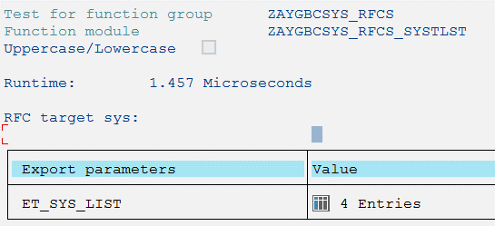
 |  |  | AYGERPPRD_AEP_00 | AYGERPPRD | sapdp00 | BB | D4730F63 | 0C80 | 1 | AYGERPPRD | 212.115.15.99 | 212.115.15.99 | 80 | 4 | 0 | 0 | Diyal. Artl. Gncl. Upd2 Kyrk. ICM | 3200 | Active

wsdl name | zaygbcsys_ws_systlst_bn.wsdl

Fonk Adı | ZAYGBCSYS_RFCS_SYSFILE | Örnek Kayıt Deseni; | SERVER | FSYSNAME | CAPACITY | FREE | FREE_PERCENT
Tanım | ST06 -> Snapshot/Filesystem (Disk Spaces) |  | AYGERPPRD_AEP_00 | C: | 101897 | 36894 | 36
Import parameter | Yok |  | AYGERPPRD_AEP_00 | D: | 102269 | 48153 | 47
Export parameter | ET_FSY_INFO |  | AYGERPPRD_AEP_00 | G: | 511869 | 108033 | 21
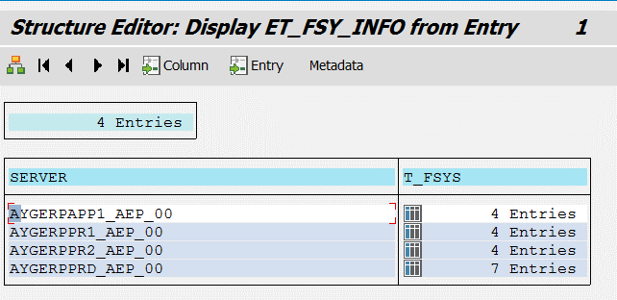
 |  |  | AYGERPPRD_AEP_00 | R: | 716668 | 350601 | 49
 |  |  | AYGERPPRD_AEP_00 | S: | 204669 | 498 | 0
 |  |  | AYGERPPRD_AEP_00 | Z: | 255868 | 175898 | 69
 |  |  | AYGERPPRD_AEP_00 | \\?\Volume{5eda9a93-0000-0000-0000- | 499 | 154 | 31

wsdl name | zaygbcsys_ws_sysfile_bn

Fonk Adı | ZAYGBCSYS_RFCS_SYSINFO
Tanım | ST06 -> Snapshot/System Information (System Hardware Info/Virtualization Status/OS Version/System Date&Time)
Import parameter | Yok | Örnek Kayıt Deseni; | SERVER | ITEM | SECTION | _DESCR1 | _VALUE1 | _UNIT_1 | _DESCR2 | _VALUE2 | _UNIT_2
Export parameter | ET_SNAPSHOTS |  | AYGERPTEST_AET_00 | 01 | Info | Operating system | Windows NT 10.0.14393 AYGERPTEST
 |  |  | AYGERPTEST_AET_00 | 01 | Info | Timestamp
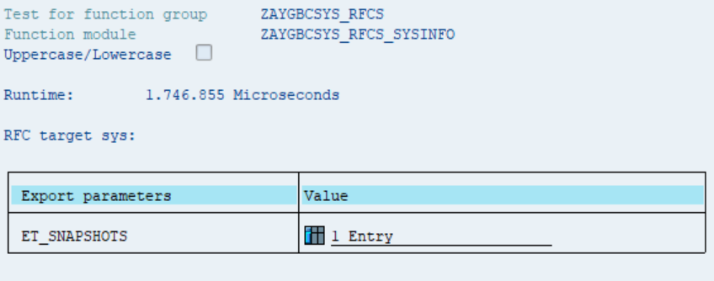
 |  |  | AYGERPTEST_AET_00 | 01 | Info | Hostname | AYGERPTEST
 |  |  | AYGERPTEST_AET_00 | 01 | Info | Manufacturer | VMware, Inc.
 |  |  | AYGERPTEST_AET_00 | 01 | Info | Model | VMware Virtual Platform
 |  |  | AYGERPTEST_AET_00 | 02 | Virtualization Configuration | Solution | VIRT_METHOD_VMWARE_ESX
 |  |  | AYGERPTEST_AET_00 | 02 | Virtualization Configuration | Type | VMware Virtual Platform
 |  |  | AYGERPTEST_AET_00 | 02 | Virtualization Configuration | Solution Version | VMware ESX 6.0.0 build-7967664
 |  |  | AYGERPTEST_AET_00 | 02 | Virtualization Configuration | Last Hardware Change | Sun Oct 21 17:43:38 2018#
 |  |  | AYGERPTEST_AET_00 | 02 | Virtualization Configuration | Enhanced Monitoring Access | FALSE
 |  |  | AYGERPTEST_AET_00 | 02 | Virtualization Configuration | Enhanced Monitoring Details | Check Host data access (Note 1409604)!

wsdl name

Fonk Adı | ZAYGBCSYS_RFCS_KERNELCOMPAT
Tanım | -> SM28 (Reported info (errors, warnings, etc.) -> SAP Menu -> System -> Status + Servername & Unicode System fields content + Additional Data -> Kernel Release & Patch Level fields contents
Import parameter |  | Örnek Kayıt Deseni; | UNICODE_SYTEM | SERVERNAME | HOST | KERNEL_RELEASE | PATCH_LEVEL
Export parameter | ES_KERNELCOMPAT |  | Evet | AYGERPTEST_AET_00 | ayg02hanerp01 | 753 | 201

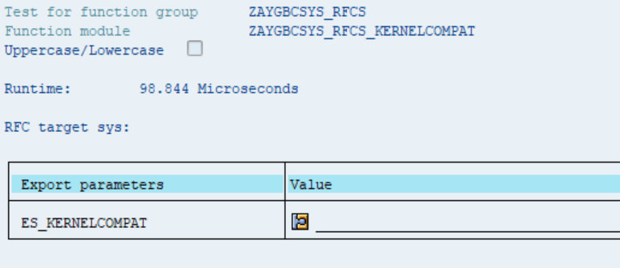

wsdl name | zaygbcsys_ws_kernelcompat_bn

Fonk Adı | ZAYGBCSYS_RFCS_SYSVERS
Tanım | SPAM -> Package Level ( SAP_APPL Component Value (SAP System Version))
Import parameter | Yok | Örnek Kayıt Deseni; | COMPONENT | RELEASE | EXTRELEASE | COMP_TYPE | LANGU | DESC_TEXT | PATCH_TYPE | HIGH_PATCH | SPP_LEVEL | LAST_SPP | VIA_TRANS
Export parameter | ET_COMPONENTS |  | SAP_APPL | 618 | 10 | R |  | Lojistik ve mali işler |  | SAPK-61810INSAPAPPL | 0 | - | Achieved with Support Package
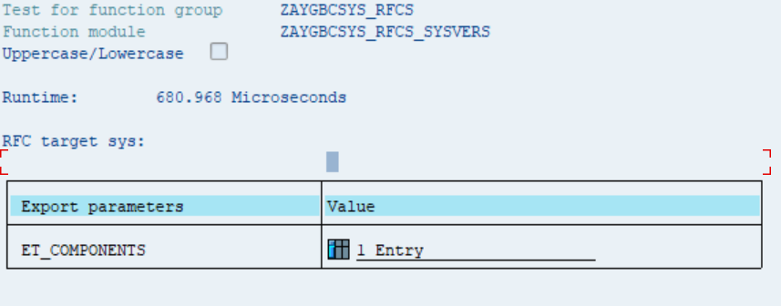

wsdl name

Fonk Adı | ZAYGBCSYS_RFCS_RTMINFO | Örnek Kayıt Deseni Tablo1 | SERVER | STARTUP_DATE | STARTUP_TIME | T_RTINFO | ERRMSG
Tanım | ST02 + System UpTime Info for Every Instance + System Swap Usage for Every Instance |  | AYGERPAPP1_AEP_00 | 20190412 | 14709 | Standard Table[12x11(144)]
Import parameter | Yok |  | AYGERPPR1_AEP_00 | 20190412 | 14947 | Standard Table[12x11(144)]
Export parameter | ET_RTINFO |  | AYGERPPR2_AEP_00 | 20190412 | 14958 | Standard Table[12x11(144)]
 |  |  | AYGERPPRD_AEP_00 | 20190412 | 14637 | Standard Table[12x11(144)]
 |  |  | T_RTINFO
 |  | Örnek Kayıt Deseni Tablo2 | BUFFER | NAME | HITRATIO | ALLOC_SIZE | FREE_SIZE | FREE_SIZE_P | MAX_OBJCTS | FREE_DIR | FREE_DIR_P | MAX_SWAPPED | DB_ACCESS
 |  |  | TTAB | Table definition | 1900-04-08 15:50:24 | 431,253 | 324,202 | 94.31 | 800,000 | 736,588 | 92.07 | 0 | 68,232
 |  |  | FTAB | Field definition | 1900-04-07 16:33:36 | 906,250 | 697,610 | 87.2 | 800,000 | 770,161 | 96.27 | 0 | 31,145
 |  |  | SNTB | Short NTAB | 1900-04-08 13:12:00 | 115,938 | 79,918 | 99.9 | 200,000 | 199,729 | 99.86 | 0 | 478
 |  |  | IRBD | Initial records | 1900-03-03 03:21:36 | 195,938 | 151,151 | 94.47 | 200,000 | 179,937 | 89.97 | 0 | 20,123
 |  |  | TABL | Buffer | 1900-04-06 03:36:00 | 120,832 | 5,327 | 4.49 | 11,500 | 541 | 4.7 | 73 | 1,183,452
 |  |  | PXA | Program | 1900-04-08 08:38:24 | 2,500,000 | 613,727 | 26.74 | 624,999 | 596,012 | 95.36 | 0 | 129,333
 |  |  | CUA | CUA | 1900-04-08 07:55:12 | 24,000 | 8,208 | 37.67 | 6,000 | 5,055 | 84.25 | 0 | 1,784
 |  |  | PRES | Screen | 1900-04-08 06:00:00 | 9,766 | 163 | 1.78 | 6,000 | 5,691 | 94.85 | 943 | 6,383
wsdl name |  |  | CALE | Calendar | 1900-04-09 00:00:00 | 488 | 348 | 72.8 | 200 | 38 | 19 | 0 | 486
 |  |  | EXIM | Export/import | 1900-04-05 11:31:12 | 40,000 | 23 | 0.07 | 20,000 | 7,079 | 35.4 | 3,164 | 0
 |  |  | OTR | OTR | 1900-03-26 17:16:48 | 4,096 | 3,206 | 95.53 | 2,000 | 1,545 | 77.25 | 0 | 0
 |  |  | ESM | Exp./ Imp. SHM | 1900-03-15 17:45:36 | 4,096 | 3,089 | 92.04 | 2,000 | 1,998 | 99.9 | 0 | 0

Fonk Adı | ZAYGBCSYS_RFCS_SLICENSE
Tanım | SLICENSE + Current Settings + Digitally Signed Liceses
Import parameter | Yok | Örnek Kayıt Deseni; | CUSTKEY | INSTNR | EXPIRDATE | SYSTEMID | STANDARD_PRODUCT_3020 | ICON_LIKEY_EXISTS | T_LIKEY | MESSAGE
Export parameter | ES_LICENSE |  | A0858981370 | 20636856 | 2958465 | 311470190 | NetWeaver_HDB | Valid license key exists | 2 Entries
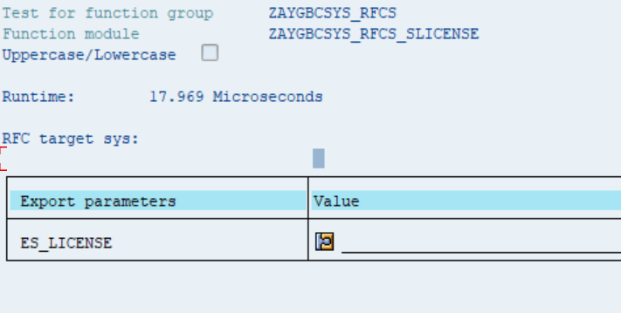
 |  |  | T_LIKEY
 |  |  | STATE | SID | HWKEY | SW_PRODUCT | SW_PROD_LIMIT | SW_PROD_TEXT | TYPE | INSTALL_NO | SYSTEM_NO | BEGIN_DATE | END_DATE | LSC_DATE | VALIDITY | TYPE_TEXT | VALIDITY_TEXT
 |  |  | <icon> | AET | A0858981370 | Maintenance_HDB | 2147483647 |  | 0 | 20636856 | 311470190 | 2018-07-10 | 2018-10-11 |  | 4 | Perm | Expired
 |  |  | <icon> | AET | A0858981370 | NetWeaver_HDB | 2147483647 |  | 0 | 20636856 | 311470190 | 2018-07-10 | 2958465 | 2018-11-14 | 0 | Perm | Valid

Fonk Adı | ZAYGBCSYS_RFCS_SPOOL
Tanım | SP01 + Information for uncompleted outputs
Import parameter | Yok
Export parameter | ET_SPREQ | Örnek Kayıt Deseni; | RQIDENT | RQCLIENT | RQ0NAME | RQ1NAME | RQ2NAME | RQOWNER | RQCMODE | RQFINAL | RQCRETIME | RQDELTIME | RQREARULE | RQDELRULE | RQAPPRULE | RQMODRULE | RQ1DISPO | RQ2DISPO | RQ3DISPO | RQDEST | RQCOPIES | RQPRIO | RQPAPER | RQPJREQ | RQPJDONE | RQPJSERR | RQPJHERR | RQWRITER | RQERROR | RQO1NAME | RQO1PART | RQO1CLIE | RQTITLE | RQDELETED | RQSAPTITLE | RQUNXTITLE | RQRECEIVER | RQDIVISION | RQARCHTYPE | RQARCHDEST | RQARCHSTAT | RQAUTH | RQISPROTOK | RQTELELAN | RQTELENUM | RQTELENUME | RQMODTIME | RQDOCTYPE | RQPOSNAME | SYS | RQPAGES_V | RQSTATUS_V | RQDATE | RQTIME_V | RQID_CHAR | RQDELDATE | RQIMM | RQDEL | RQFIN | RQTITLE_V | RQMDATE | RQMTIME_V | RQDTYPE | RQLOCAT | RQCHARCO | RQPARTS | RQSIZE | RQRECTYP | RQSTOTYP | RQDESTL | RQCOMPIC | RQTOTAL_SIZE
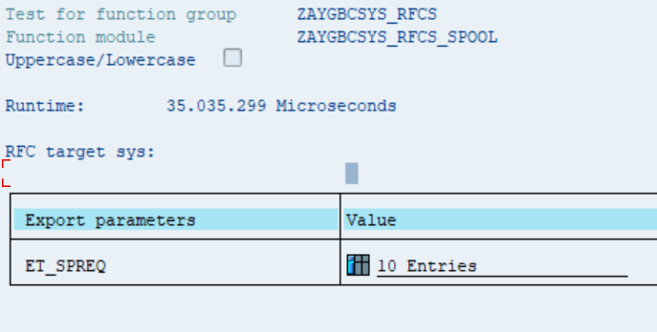
 |  |  | 973,046 | 400 | SMART | DKM1 | 10804534 | 10804534 | 6 | C | 2.0180130083E+15 | 2.0180207083E+15 | 0 | 0 | 5 | 0 | G | K | D | LOKAL_DOKUM | 1 | 5 | DINA4 | 1 | 0 | 0 | 0 | 0 | 0 | SPOOL0000973046 | 0 | 400 |  | . |  | D |  |  | 1 |  | 0 |  | . |  |  |  | 2.0180130083E+15 | SMART |  | AET | 5 | Beklm. | 30.01.2018 | 11:31 | 973046 | 07.02.2018 | X |  | X | SMART DKM1 10804534 | 2018-01-30 | 11:31:00 |  |  | 0 | 0 | 0 |  |  | LOKAL_DOKUM |  | 0

Fonk Adı | ZAYGBCSYS_RFCS_SSLCERT
Tanım | STRUSTSSO2 -> SSL Client + Imported SSL Client Certificates' Info
Import parameter | Yok
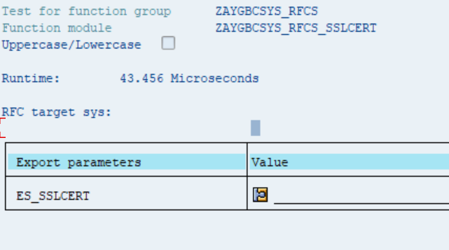
Export parameter | ES_SSLCERT | Örnek Kayıt Deseni; | OWNCERT | T_TRUSTED_SYS | T_TRUSTED_CLN | MESSAGE
 |  |  | * | 1 Entry | 1 Entry | Selected entry is the PSE for Single Sign-On with

 |  |  | OWNCERT
 |  |  | SUBJECT | ISSUER | SNUMBER | FINGERPR | DATEFROM | TIMEFROM | DATETO | TIMETO | ALGID | SERIALINT | KEYTYPE | KEYLENGTH | FPSHA1 | SIGAVAIL | EMAIL | SUBJECTALT | SIGALG | SUBJECTSTR | ISSUERSTR
 |  |  | CN=AET | CN=AET | 0A20180713101201 | A6:4C:25:39:8E:F1:1E:0F:94:D5:D2:DC:F5:74:74:6F | 2018-07-13 | 10:12:01 | 2038-01-01 | 0:00:01 | id-dsa (OID 1.2.840.10040.4.1) | 7.296095583E+17 | DSA | 1024 | 55A65ADF9D426A3A5D0B53253427E5BFB5715743 | X |  |  | DSA+SHA1 | CN=AET | CN=AET

 |  |  | T_TRUSTED_SYS
 |  |  | SUBJECT | ISSUER | SNUMBER | FINGERPR | DATEFROM | TIMEFROM | DATETO | TIMETO | ALGID | SERIALINT | KEYTYPE | KEYLENGTH | FPSHA1 | SIGAVAIL | EMAIL | SUBJECTALT | SIGALG | SUBJECTSTR | ISSUERSTR
 |  |  | CN=AFD | CN=AFD | 0A20180718020701 | 7A:A7:87:94:8E:D0:D3:74:0F:C9:8A:D0:75:55:22:8C | 2018-07-18 | 2:07:01 | 2038-01-01 | 0:00:01 | id-dsa (OID 1.2.840.10040.4.1) | 7.2960955838E+17 | DSA | 1024 | 9D9B0505A4CCA77FCB6D89E7022F2D849563C987 | X |  |  | DSA+SHA1 | CN=AFD | CN=AFD

 |  |  | T_TRUSTED_CLN
 |  |  | SUBJECT | ISSUER | SNUMBER | FINGERPR | DATEFROM | TIMEFROM | DATETO | TIMETO | ALGID | SERIALINT | KEYTYPE | KEYLENGTH | FPSHA1 | SIGAVAIL | EMAIL | SUBJECTALT | SIGALG | SUBJECTSTR | ISSUERSTR
 |  |  | CN=*.koczer.com, O=ZER Merkezi Hizmetler ve Ticaret A.S., OU=Bilgi Isl | CN=GlobalSign Organization Validation CA - SHA256 - G2, O=GlobalSign n | 1121438DC4C113925BC50886FA7BA439B984 | 46:85:C0:C5:1D:68:69:EA:B6:1C:1E:10:4F:D9:0F:68 | 2014-09-10 | 14:23:54 | 2019-09-10 | 9:23:49 | RSA (OID 1.2.840.113549.1.1.1) | 1.4922279733E+42 | RSA | 2048 | 981B8ED053CA6BC3DFE30BEDD9F65209523AB40B | X |  | dNSName=koczer.com, dNSName=*.koczer.com | RSA+SHA256 | CN=*.koczer.com, O=ZER Merkezi Hizmetler ve Ticaret A.S., OU=Bilgi Isl | CN=GlobalSign Organization Validation CA - SHA256 - G2, O=GlobalSign n

Fonk Adı | ZAYGBCSYS_RFCS_WORKLOAD
Tanım | ST03 -> Workload -> SYSID + Overview
Import parameter | I_STARTDATE
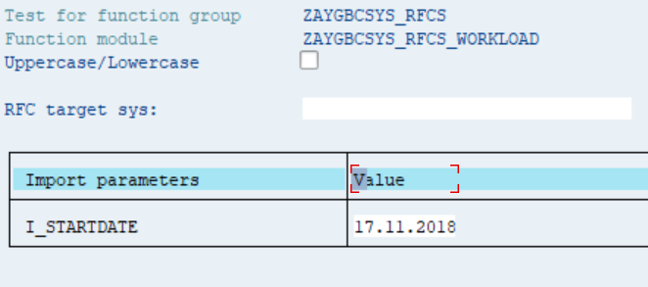

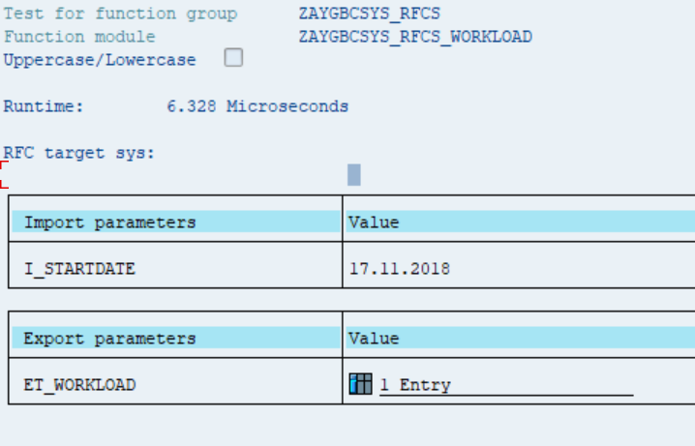
Export parameter | ET_WORKLOAD | Örnek Kayıt Deseni; | SERVERNAME | HOST | PERIODTYPE | STARTDATE | T_SUMMARY | MESSAGE
 |  |  | AYGERPTEST_AET_00 | AYGERPTEST | D | 2018-11-17 | 14 Entries

 |  |  | T_SUMMARY
 |  |  | TASKTYPE | DIASTEPCNT | MRESPTIME | MPROCTI | MCPUTI | MDBTI | MDBPROCTI | MWAITTI | MROLLINTI | MROLWAITI | MLOADGENTI | MLOCKTI | MCPICTI | FNETMT | FGUIMT | FGUICNT | BYTES | READSEQCNT | READSEQST | READSEQMT | READSEQREC | READDIRCNT | READDIRST | READDIRMT | READDIRREC | READSEQBUF | CHNGCNT | CHNGST | CHNGMT | CHNGREC | DBREQUCNT | DBREQMTI | PHYREADCNT | PHYCHNGREC | PHYDBCALLS | DBUFREADCN | DBPCOUNT | DBPTIME | DBPAVTI | ROLLINTI | ROLLWAITTI | ROLLOUTTI | ROLLINCNT | ROLLOUTCNT | MRLINTIM | MROLLOUTI | MPCPUTI | MPDBTI | MPDBPROCTI | MPWAITTI | MPROLLINTI | MPROLWAITI | MPLOADGENT | MPFGUITI | VMC_CALLCOUNT | VMC_CPUTIME | VMC_ELAPTIME | VMC_AVGCPU | VMC_AVGELAP | MESSAGE
 |  |  | AUTOABAP | 312 | 1,499.40 | 1903-11-09 14:24:00 | 381.4 | 70.2 | 0 | 0.1 | 8.2 | 0 | 8.3 | 3.3 | 3.8 | 0 | 0 | 0 | 402,010 | 106,543 | 21 | 0.2 | 0 | 12,847 | 0 | 0 | 0 | 0.00 | 1903-01-01 | 1 | 0.8 | 0 | 120,487 | 0.2 | 28,745 | 1,097 | 0 | 9,708 | 0 | 0 | 0 | 3 | 0 | 1 | 10,381 | 8,976 | 0 | 0.1 | 25.4 | 4.7 | 0 | 0 | 0.5 | 0 | 0.6 | 0.00 | 0 | 0 | 0 | 0 | 0

Fonk Adı | ZAYGBCSYS_RFCS_PROCLST
Tanım | Application server bazında
Import parameter
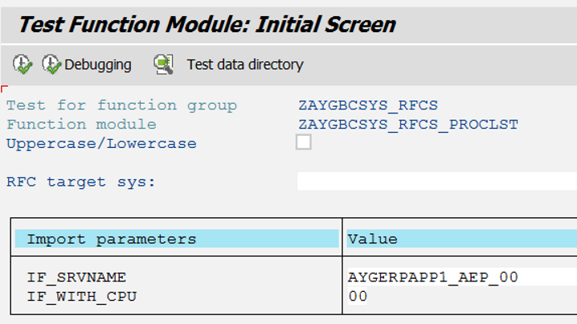

Export parameter

